DataDictionary
Data Dictionary
Учет заявок на ремонт оборудования

Users
KEY | FIELD NAME | DATA TYPE / FIELD SIZE | REQUIRED? | NOTES
PK | ID | INT | Y | Auto increment
 | Login | VARCHAR (100) | Y
 | Password | VARCHAR (50) | Y
 | RoleID | INT | Y | Foreign Key to Role

Role
KEY | FIELD NAME | DATA TYPE / FIELD SIZE | REQUIRED? | NOTES | 1 | Менеджер
PK | ID | INT | Y | Auto increment | 2 | Клиент
 | RoleUser | VARCHAR (100) | Y |  | 3 | Исполнитель

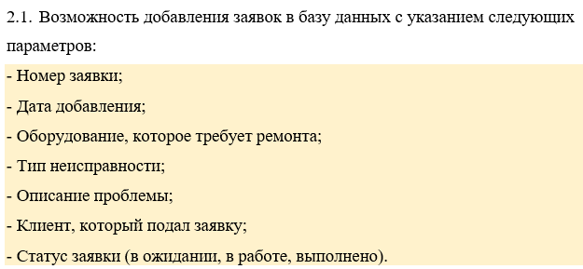
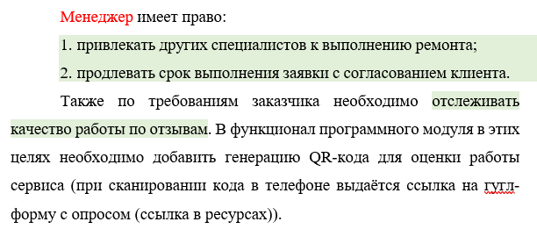
Zayavka
KEY | FIELD NAME | DATA TYPE / FIELD SIZE | REQUIRED? | NOTES
PK | ID | INT | Y | Auto increment
 | Data | DATE | Y
 | OborudID | INT | Y | Foreign Key to Oborud
 | TypeNeispID | INT | Y | Foreign Key to Neisp
 | OpisanieProblem | TEXT | Y
 | ClientID | INT | Y | Foreign Key to Client, UserID
 | StatusID | INT | N | Foreign Key to Status
 | IspolnitelID | INT | N | Foreign Key to Ispolnitel
 | Comment | TEXT | N

Oborud
KEY | FIELD NAME | DATA TYPE / FIELD SIZE | REQUIRED? | NOTES
PK | ID | INT | Y | Auto increment
 | TypeOborud | VARCHAR (100) | Y
 | NameOborud | VARCHAR (50) | Y
 |  |  |  |  |  |  | Возможно таблица для запчастей
Neisp
KEY | FIELD NAME | DATA TYPE / FIELD SIZE | REQUIRED? | NOTES
PK | ID | INT | Y | Auto increment
 | TypeNeisp | VARCHAR (100) | Y

Client
KEY | FIELD NAME | DATA TYPE / FIELD SIZE | REQUIRED? | NOTES
PK | ID | INT | Y | Auto increment
 | NameClient | VARCHAR (100) | Y |  |  | По клиентам и исполнителям может быть дана дополнительня информация

Status
KEY | FIELD NAME | DATA TYPE / FIELD SIZE | REQUIRED? | NOTES
PK | ID | INT | Y | Auto increment
 | StatusZayavki | VARCHAR (100) | Y

Ispolnitel
KEY | FIELD NAME | DATA TYPE / FIELD SIZE | REQUIRED? | NOTES
PK | ID | INT | Y | Auto increment
 | NameIspolnitel | VARCHAR (100) | Y

Otchet
KEY | FIELD NAME | DATA TYPE / FIELD SIZE | REQUIRED? | NOTES
PK | ID | INT | Y | Auto increment
 | Time | INT | Y
 | Material | VARCHAR (100) | Y
 | Cost | INT | Y
 | ReasonNeisp | VARCHAR (100) | Y
 | OpisanieHelp | TEXT | Y
 | ZayavkaID | INT | Y | Foreign Key to Zayavka
 | IspolnitelID | INT | Y | Foreign Key to Ispolnitel
 | ZapchastID | INT | Y | Foreign Key to Zapchast

Zapchast
KEY | FIELD NAME | DATA TYPE / FIELD SIZE | REQUIRED? | NOTES
PK | ID | INT | Y | Auto increment
 | NameZapchact | VARCHAR (100) | Y

